Dala Sales & Deliveries
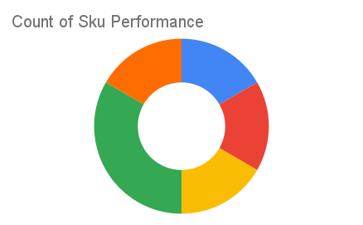
Total Invoices Delivered | 6.00 | Sku Performance | Units | Value
Unique Locations Supplied | 6.00 | 500g Grandios Brown Pap (20x) | 3.25 | 104,000.00
Total Value of orders | 306,650.00 | 500g Grandios White Pap (20x) | 3.00 | 96,000.00
 |  | 500g Grandios Yellow Pap (20x) | 2.25 | 72,000.00
 |  | 50g Grandios Brown Pap (120x) | 0.25 | 4,950.00
 |  | 50g Grandios Yellow Pap (120x) | 1.25 | 24,750.00
 |  | 50g Grandios Brown Pap (120x) | 0.25 | 4,950.00
 |  |  | 0.00 | 0.00
 |  |  | 0.00 | 0.00
 |  |  | 0.00 | 0.00
 |  |  | 0.00 | 0.00
 |  |  | 0.00 | 0.00
 |  |  | 0.00 | 0.00

